OH
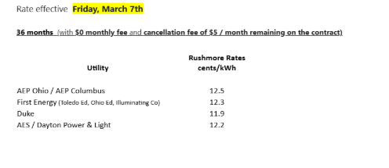
 |  | RUHMORE PRICE | PTC
4 | AEP OHIO POWER (AEP) | 11.9 | 11.32 | Better than ptc
44 | AEP CULUMBUS SOUTHERN (AEP) | 11.9 | 11.32 | Better than ptc
15 | CLEVELAND ILUMINATING(FIRST ENERGY) | 11.4 | 9.98 | Better than ptc
16 | OHIO EDINSON (FIRST ENERGY) | 11.4 | 10.11 | Better than ptc
7 | TOLEDO EDINSON (FIRST ENERGY) | 11.4 | 10.45 | Better than ptc
6 | DUKE ENERGY | 10.7 | 9.71 | Better than ptc
5 | DAYTON | 11.4 | 9,182 | Higher than ptc

PA
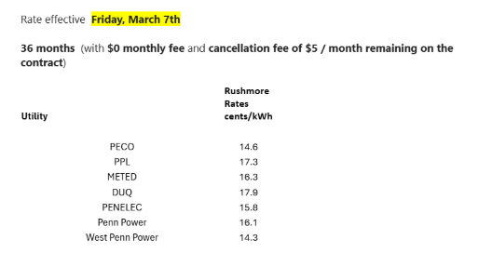

36 months (with $0 monthly fee and cancellation fee of $5 / month remaining on the contract)
I would recommend that the team print these out (if possible) or save it on their desktop so that they have it readily accessible if/when customers have questions.
FAQs
I've also included the FAQs on the different products.
As with the training deck, I recommend that the team print it out or save it on their desktop.
Cust Serv # for Cinch
Please let the team know that we don't want to give any faulty answers, so if they don't know the answer, then transfer the call to Cinch at 855-246-6919.
Prodouct Codes

NewWave.PPL.CHVAC.TM.36.R
NewWave.PPL.CPlum.TM.36.R
NewWave.PPL.CSurge.TM.36.R

